Expiry Inventory Balance
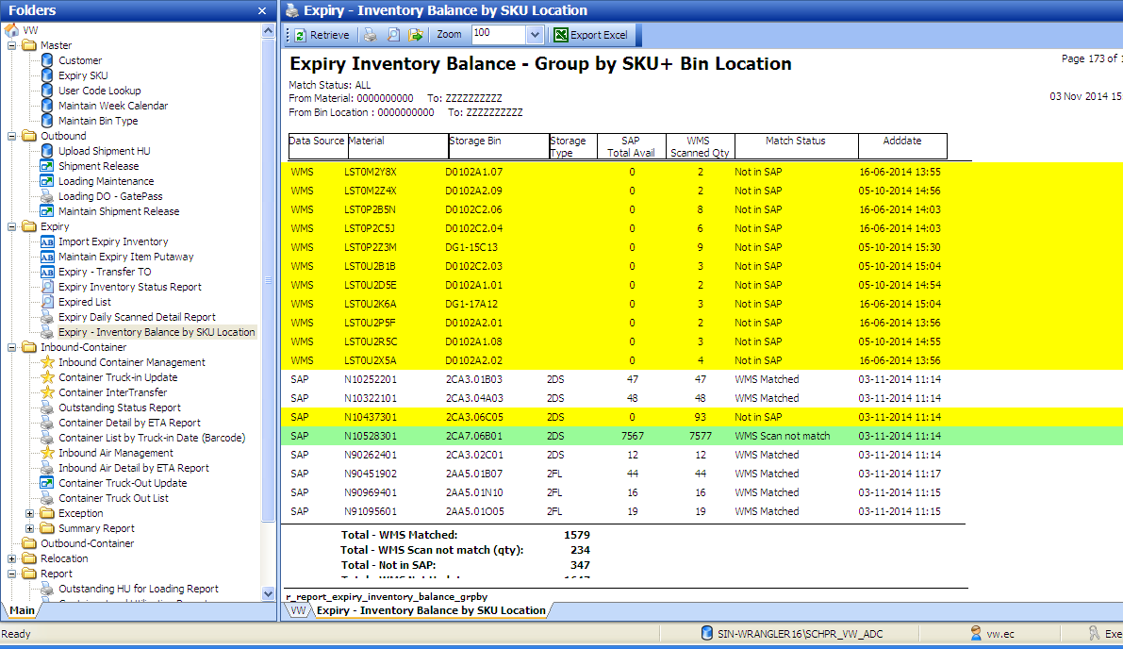
Report Name | Expiry Inventory Balance - Group by SKU+Location
Description: | Expiry balance base on SAP Inventory balance matching WMS by groupin gof SKU and Location

Match Status : | WMS Matched | SAP SKU+Location and balance qty vs WMS is matched
 | WMS Scan not match | SAP SKU+Location matched WMS but balance qty not match. (the auto-stock out will kick in into system at later date)
 | Not in SAP | WMS Scanned data not found in SAP (this line will auto-stock out, when SKU+Location in WMS but not found SAP inventory)
 | WMS Not Update | SAP SKU+Location not found in WMS

Expiry Inv Status
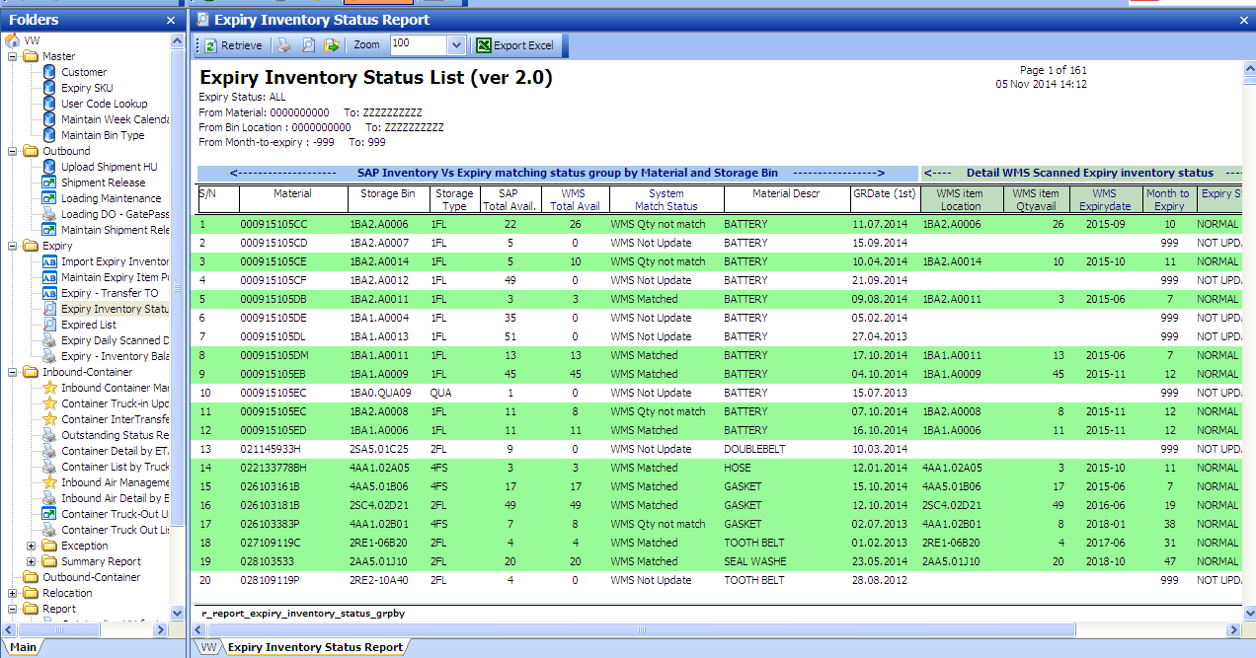
new version of Expiry Status report - The report will provide the inventory balance matching status and added the Detail item expiry date and the expiry status in WMS.

Expired List
